grain size analysis
* grain-size distribution of bed material (2014) _ grid sampling(Hack_1947)

* particle size distribution of suspended sediment (2014)_Laser Diffraction
 |  |  |  |  |  |  |  |  | * grain-size distribution of bed material (2014)_Sieve
No | particle size distribution of suspended sediment (%)
 | range (mm) |  |  |  |  |  |  |  | particle size time | D10 | D30 | D35 | D60 | D65 | 균등계수 Coefficient of uniformity (Cu) | 곡률계수 Coefficient of curvature (Cg)
 | 0.0020~ | 0.063~ | 0.126~ | 0.26~ | 0.51~ | 1.1~ | 2.1~ | 4.1~ | 홍수전 (before the flood) | - | - | - | - | - | - | -
 | 0.062 | 0.125 | 0.25 | 0.5 | 1 | 2 | 4 | 8 | 홍수후(after the flood ) | 21.88 | 121.48 | 138.12 | 194.94 | - | 8.91 | 3.46
1 | 72.27 | 18.9 | 7.53 | 0.38 | 0 | 0 | 0 | 0 | 평균 (mean) | - | - | - | - | - | - | -
2 | 77.64 | 16.32 | 4.68 | 0.24 | 0.12 | 0 | 0 | 0 | particle size time | D5 | D10 | D15 | D20 | D25 | D30 | D35 | D40 | D45 | D50 | D55 | D60 | D65 | D70 | D75 | D80 | D85 | D90 | D95 | D100
3 | 78.21 | 15.35 | 5.25 | 0.07 | 0 | 0 | 0 | 0 | 홍수전 (before the flood) | - | - | - | - | - | - | - | - | - | - | - | - | - | - | - | - | - | - | - | -
4 | 78.83 | 15.41 | 4.77 | 0.07 | 0 | 0 | 0 | 0 | 홍수후 (after the flood ) | 6.87 | 21.88 | 53.00 | 95.97 | 103.18 | 121.48 | 138.12 | 151.42 | 164.68 | 177.23 | 186.15 | 194.94 | - | - | - | - | - | - | - | -
5 | 78.8 | 13.05 | 5.28 | 0.93 | 0.53 | 0.09 | 0.02 | 0 | 평균 (mean) | - | - | - | - | - | - | - | - | - | - | - | - | - | - | - | - | - | - | - | -
6 | 72.21 | 15.68 | 8.01 | 2.14 | 0.68 | 0.1 | 0.05 | 0
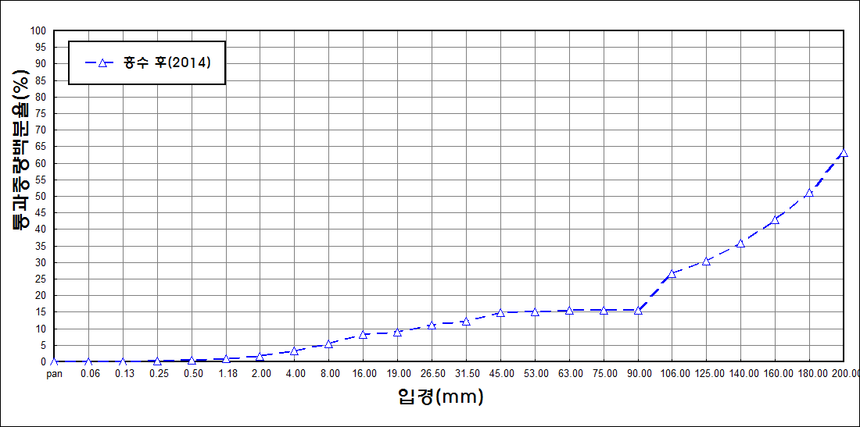
after the flood (2014)
percent passing(%)
particle size (mm)
7 | 72.72 | 15.24 | 8.12 | 2.05 | 0.38 | 0.23 | 0.1 | 0
8 | 81.98 | 10.3 | 4.37 | 1 | 0.35 | 0 | 0 | 0
9 | 86.32 | 10.01 | 1.18 | 0 | 0 | 0 | 0 | 0
10 | 87.24 | 8.91 | 1.33 | 0 | 0 | 0 | 0 | 0
11 | 85 | 8.52 | 2.59 | 0.22 | 0.34 | 0.67 | 0.24 | 0
12 | 86.8 | 8.76 | 2.19 | 0.04 | 0 | 0 | 0 | 0
13 | 83.89 | 9.84 | 3.11 | 0.06 | 0.06 | 0.08 | 0.02 | 0
14 | 83.88 | 9.21 | 4.38 | 0.24 | 0 | 0 | 0 | 0
15 | 85.5 | 10.16 | 2.3 | 0 | 0 | 0 | 0 | 0
mean | 80.75 | 12.38 | 4.34 | 0.5 | 0.16 | 0.08 | 0.03 | 0

